Components of Graph
Components of a Graph

1. titles and footnotes
2. one or more cells that contain a composite of one or more plots
3. legends, which can reside inside or outside a cell
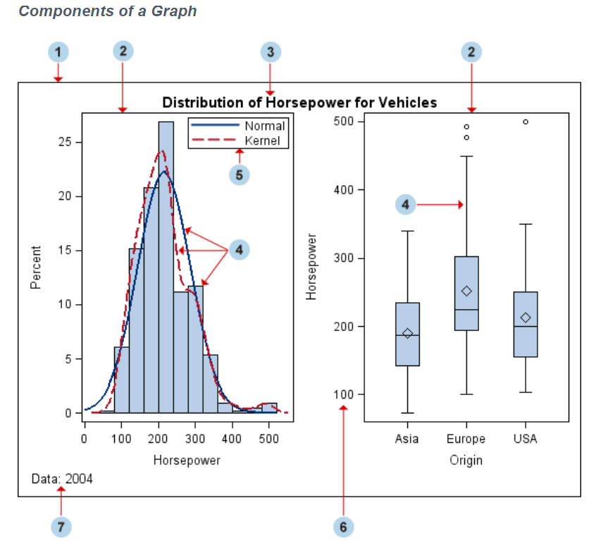

1. Graph
a visual representation of data. The graph can contain titles, footnotes, legends, and one or more cells that have one or more plots.

2. Cell
a distinct rectangular subregion of a graph that can contain plots, text, and legends.

3. Title
descriptive text that is displayed above any cell or plot areas in the graph.

4. Plot
a visual representation of data such as a scatter plot, a series line, a bar chart, or a histogram. Multiple plots can be overlaid in a cell.

5. Legend
refers collectively to the legend border, one or more legend entries (where each entry has a symbol and a corresponding label) and an optional legend title.

6. Axis
refers collectively to the axis line, the major and minor tick marks, the major tick mark values, and the axis label. Each cell has a set of axes that are shared by all the plots in the cell. In multi‐cell graphs, the columns and rows of cells can share common axes if the cells have the same data type.

7. Footnote
descriptive text that is displayed below any cell or plot areas in the graph.

Features of GTL statements
Common Features Supported by GTL Statements
Features Supported by Many Plot Statements
Plot Features to Be Displayed
Option | Description
DISPLAY=( feature …) | Specifies the plot features to be displayed. Features are plot specific.

Plot Appearance
Option | Description
MARKERATTRS=( marker-options ) | Specifies the symbol, size, color, and weight of markers.
LINEATTRS= ( line-options ) | Specifies the pattern, thickness, and color of lines.
TEXTATTRS= ( text-options ) | Specifies the text color, font, font size, font weight, and font style.
FILLATTRS= ( fill-options ) | Specifies the fill color and transparency.
DATASKIN=(data-skin-name) | Specifies a skin to be applied to filled areas of a plot. See “Using Data Skins” on page 535.

Plot Transparency
Option | Description
DATATRANSPARENCY= number | Specifies the degree of transparency. Default is 0 (fully opaque). 1 is fully transparent.

Plot Identification
Option | Description
NAME= "string" | Specifies a unique name for a plot in order to associate it with another statement.
LEGENDLABEL= "string" | Specifies a description of a plot to appear in a legend.

Labels for Plot Features
Most plots have one or more options that enable you to display descriptive labels or data values for points, lines, bars, or bands.
Option | Description
DATALABEL= column | Specifies a column to label data points in a scatter plot, series plot, needle plot, step plot, or vector plot.
DATALABELATTRS= text-properties | Specifies text properties for data labels.
DATALABELPOSITION=TOPRIGHT | TOP | TOPLEFT | LEFT | CENTER | RIGHT | BOTTOMLEFT | BOTTOM | BOTTOMRIGHT | Specifies the position of the data labels relative to the data points.
CURVELABEL= "string" | column | expression | Specifies a string, column, or expression to label one or more lines in a REFERENCELINE, DENSITYPLOT, LINEPARM, REGRESSIONPLOT, LOESSPLOT, PBSPLINEPLOT, SERIESPLOT, or STEPPLOT statement.
CURVELABELUPPER= "string" | column CURVELABELLOWER= "string" | column | Specifies a string or a string-column to label one or more lines in a BANDPLOT or MODELBAND statement.
CURVELABELATTRS= text-properties | Specifies text properties for curve label(s).
CURVELABELLOCATION= INSIDE | OUTSIDE | Specifies whether the curve label(s) are located inside or outside the plot area. Note:The CURVELABELLOCATION=OUTSIDE option is not supported in the LATTICE, DATALATTICE, and DATAPANEL layouts.
CURVELABELPOSITION= | Specifies positioning options for the curve label(s).
For bar, curve, and data labels, many plots support options that enable you to split long labels into multiple lines to avoid collisions.
Option | Description
BARLABELFITPOLICY=AUTO | NONE | Specifies a policy for avoiding bar label collisions in a vertical bar chart. When set to AUTO, the bar labels are rotated when a collision occurs.
DATALABELSPLIT=TRUE | FALSE | Specifies whether the data labels should be split into multiple lines, if necessary, to fit the label in the available space.
DATALABELSPLITCHAR="character-list | Specifies one or more characters on which the data labels can be split.
DATALABELSPLITCHARDROP=TRUE | FALSE | Specifies whether the split characters on which a split occurs are removed from the displayed data label.
DATALABELSPLITJUSTIFY="justification" | Specifies how each line of the split data labels is to be justified.
CURVELABELSPLIT=TRUE | FALSE | Specifies whether the curve labels should be split into multiple lines, if necessary, to fit the label in the available space.
CURVELABELSPLITCHAR="character-list" | Specifies one or more characters on which the curve labels can be split.
CURVELABELSPLITCHARDROP=TRUE | FALSE | Specifies whether the split characters on which a split occurs are removed from the displayed curve label.
CURVELABELSPLITJUSTIFY="justification" | Specifies how each line of the split curve labels is to be justified.
VALUEFITPOLICY="fit-policy" | Specifies how block plot text values are adjusted to fit within the containing block.
VALUESPLITCHAR="character-list" | Specifies one or more characters on which the block labels can be split when value splitting is used in a block plot.
VALUESPLITCHARDROP=TRUE | FALSE | Specifies whether the split characters on which a split occurs are removed from the displayed block label when value splitting is used in a block plot.
For axis labels, options are available that enable you to split long labels into multiple lines to avoid truncation.
Option | Description
LABELFITPOLICY=AUTO | SPLIT | SPLITALWAYS | Specifies a fit policy for the axis label. If the original label is too long, AUTO specifies that the short label is used instead (if specified), and SPLIT specifies that the original label is split into multiple lines as needed to make it fit the available. SPLITALWAYS specifies that the original label is always split into multiple lines regardless of the available space.
LABELSPLITCHAR="character-list" | Specifies one or more characters on which the axis label can be split when the SPLIT or SPLITALWAYS fit policy is used.
LABELSPLITCHARDROP=TRUE | FALSE | Specifies whether the split characters on which a split occurs are removed from the displayed axis label when the SPLIT or SPLITALWAYS fit policy is used.
LABELSPLITJUSTIFY="justification" | Specifies how each line of the split axis label is to be justified when the SPLIT or SPLITALWAYS fit policy is used.

Grouping
Option | Description
GROUP= column | Specifies a group variable, always treated as having discrete values. For an example use, see the example for “Legend Statements” on page 30.
INDEX= positive-integer-column | Specifies an integer column that associates each distinct data value with a predefined graphical style element GraphData1, GraphData2, …
GROUPDISPLAY=STACK | CLUSTER | OVERLAY | Specifies whether group values for each category are displayed as clusters of bars or as stacked bars for bar charts, or as a cluster of markers or an overlay of markers for other plot types.

Axis Assignment
Option | Description
XAXIS= X | X2 | Specifies whether the plot's X= column is displayed on the X or X2 axis.
YAXIS= Y | Y2 | Specifies whether the plot's Y= column is displayed on the Y or Y2 axis.

Data Tips
Option | Description
ROLENAME= ( role=column …) | Creates additional roles to customize data tips.
TIP= ( role-names ) | Specifies which plot roles are used for data tips.
TIPFORMAT=(role=format …) | Specifies a format to be applied to the data for a plot role.
TIPLABEL=( role="string" …) | Specifies a label to be applied to the column for a plot role.

Features Supported by Layout, Legend, and Text Statements
Backgrounds
Option | Description
OPAQUE= FALSE | TRUE | Specifies whether the background is transparent. By default, OPAQUE=FALSE
BACKGROUNDCOLOR= color | Specifies a color for the background when the background is opaque.

Borders
Option | Description
BORDER= FALSE | TRUE | Specifies whether a border is displayed. By default, BORDER=FALSE.
BORDERATTRS= ( line-options ) | Specifies the properties of the border when a border is displayed.

Padding
Option | Description
PAD= number PAD=(<TOP=number> <BOTTOM=number> <LEFT=number> <RIGHT=number> | Specifies whether extra space is added inside the border. By default, layouts and legends have PAD=0 while text statements have PAD=(LEFT=3px RIGHT=3px) as the default.
OUTERPAD=AUTO | number OUTERPAD=(<TOP=number> <BOTTOM=number> <LEFT=number> <RIGHT=number> | Specifies whether extra space is added outside the border of layouts, legends, titles, and footnotes. The default is AUTO, which specifies that the default outside padding for the component is used.

Test Position
Option | Description
HALIGN= LEFT | CENTER | RIGHT VALIGN= TOP | CENTER | BOTTOM | Specifies the alignment for a text entry. For ENTRY statements, a position can be specified relative to the container. The vertical position of the title and footnote text is fixed, but the horizontal position can be adjusted.

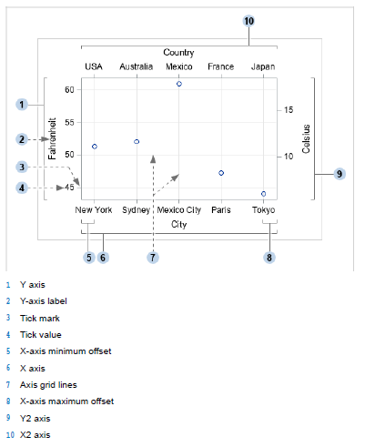
Legend and Layout Positions
Option | Description
HALIGN= LEFT | CENTER | RIGHT | value VALIGN= TOP | CENTER | BOTTOM | value | Specifies the alignment for a legend or layout. For legends, and for layouts that are nested within an overlay type layout, a position can be specified relative to the parent container. The values CENTER, LEFT, RIGHT, TOP, and BOTTOM position the legend or layout at fixed locations horizontally or vertically. You can use value to express the position as a percentage of the available vertical or horizontal space using any numeric value between 0 and 1 inclusive. In order to use these options on a layout block, the layout block must be embedded in an overlay-type layout. Otherwise, the HALIGN= and VALIGN= options are ignored. In that case, a note is written to the SAS log. This restriction does not apply to the legend statements. Note the following equivalencies: VALIGN=TOP is equivalent to VALIGN=1 VALIGN=BOTTOM is equivalent to VALIGN=0 HALIGN=RIGHT is equivalent to HALIGN=1 HALIGN=LEFT is equivalent to HALIGN=0

Axis Terminology | Axis lines
 | Axis labels
 | Tick marks
 | Tick values
 | Axis grid lines(GRIDDISPLAY)
 | Gaps at the beginning and end of the axis (OFFSETMIN=, OFFSETMAX=)

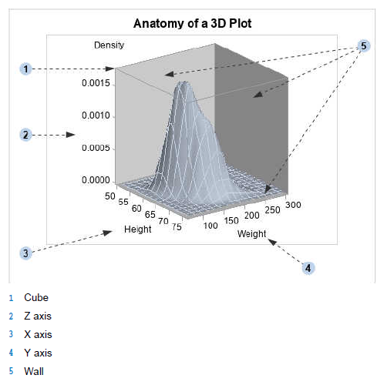

LAYOUT OVERLAY3D
Defining a Viewpoint
Option | Description | Value Range | Default
ROTATE= | Specifies the angle of rotation. Rotation is measured in a clockwise direction about a virtual axis, parallel to the Z axis (vertical) and passing through the center of the bounding cube. A counterclockwise rotation can be specified with a negative value. | -360 to 360 | 54
TILT= | Specifies the angle of tilt in degrees. Tilt is measured in a clockwise direction about a virtual axis parallel to the X axis (vertical) and passing through the center of the bounding cube. A counterclockwise tilt can be specified with a negative value. | -360 to 360 | 20
ZOOM= | Specifies a zoom factor. Factors greater than 1 move closer to the bounding cube (zoom in), less than 1 move farther away (zoom out). | > 0 | 1

LAYOUT GRIDDED STATEMENT
Setting Grid Dimensions
Grid Specification Code | Description
layout gridded / columns=5; /* plot defintions */ endlayout; | When the number of columns is specified, you place a limit on how many columns can be displayed across a row. The COLUMNS= option is honored only if ORDER=ROWMAJOR (the default). In the example code to the left, if you were to include more than five plot definitions, additional rows (with five columns) would be added automatically to accommodate all of the cells that are needed to display all specified plot definitions.
layout gridded / order=columnmajor rows=1; /* plot definitions */ endlayout; | When the number of rows is specified, you place a limit on how many rows can be displayed down a column. The ROWS= option is honored only if ORDER=COLUMNMAJOR. In the example code to the left, if you were to include more than five plot definitions, additional columns would be added automatically, but the grid would not wrap to a second row because the ROWS= setting limits the grid to a single row.

LAYOUT LATTICE

Setting Grid Dimensions
Lattice Specification Code | Description
layout lattice / columns=5 rows=1; /* plot definitions */ endlayout; | Specify the number of columns and the number of rows to explicitly set the grid size.
layout lattice / order=columnmajor rows=1; /* plot definitions */ endlayout; | Specify only one grid row and ORDER=COLUMNMAJOR. In this case, there are as many grid columns as there are plot definitions. This is the recommended way to create a row of plots.
layout lattice / columns=5; /* plot defintions */ endlayout; | Specify only the number of columns. This places a limit on how many plots can appear in one row. If you were to include more than five plot definitions, additional rows (with five columns) would be added automatically because ORDER=ROWMAJOR by default.

Populating Cells
Technique | Example | Advantages | Disadvantages
stand-alone plot statement | scatterplot x= y=; | simplicity | cannot adjust axes cannot have overlays cannot have cell headers
layout block | layout overlay; scatterplot x= y=; seriesplot x= y=; endlayout; | cell can contain a complex plot axes can be adjusted other layout types can be used | cannot have cell headers
cell block | cell; layout overlay; scatterplot x= y=; seriesplot x= y=; endlayout; endcell; | makes it easy to see cell boundary in code required if a cell header is desired | adds to program length when no cell header is desired

LAYOUT DATALATTICE STATEMENT

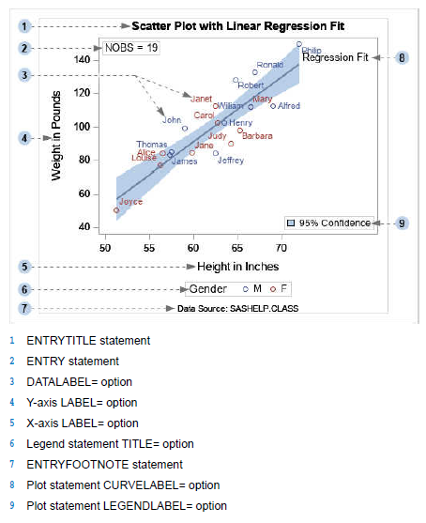
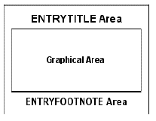
Text Strings in Graphs

The following options, available on plot and legend statements, manage most of the text that you can add to a graph:
Task | Statement | Option
label data points | plot statements that display markers | DATALABEL=column
label a curve or a reference line | plot statements that display lines | CURVELABEL="string" | column
describe a plot in a legend | most plot statements | LEGENDLABEL="string"
add title to a legend | legend statements | TITLE="string"
label an axis | axis statement or layout axis option | LABEL="string"

This text is independent of the text that is managed by the options on plot and legend statements:
Option | Description
ENTRYTITLE "string" | Defines title text for the entire graph.
ENTRYFOOTNOTE "string" | Defines footnote text for the entire graph.
ENTRY "string" | Defines text that is displayed in the graphical area.

Text Properties and Syntax Conventions
Statement Type | Option | Supporting Text Option
plot statements | DATALABEL= | DATALABELATTRS=
 | CURVELABEL= | CURVELABELATTRS=
legend statements | TITLE= | TITLEATTRS=
layout or axis statements | LABEL= | LABELATTRS=
text statements |  | TEXTATTRS=

Any text that you add to the graph can have the following properties for the text-options:
Text Option | Value | Examples
COLOR= | color | style-reference | ( color=black) (color=GraphLabelText:color)
FAMILY= | "font-name" | style-reference | (family="Arial Narrow") (family=GraphLabelText:FontFamily)
SIZE= | dimension | style-reference | (size=10pt) (size=GraphLabelText:FontSize)
WEIGHT= | NORMAL | BOLD | style-reference | (weight=bold) (weight=GraphLabelText:FontWeight)
STYLE= | NORMAL | ITALIC | style-reference | (style=italic) (style=GraphLabelText:FontStyle)

The following table shows some of the style elements that are available for setting text attributes:
Style Element | Default Use
GraphTitleText | Used for all titles of the graph. This text typically uses the largest font size among fonts in the graph.
GraphFootnoteText | Used for all footnotes. This text typically uses a smaller font size than the titles. Sometimes, footnotes are italicized.
GraphLabelText | Used for axis labels and legend titles. This text generally uses a smaller font size than titles.
GraphValueText | Used for axis tick values and legend entries. This text generally uses a smaller font size than labels.
GraphDataText | Used for text where minimum size is necessary (such as point labels).
GraphUnicodeText | Used for adding special glyphs (for example, α , ±, € ) to text in the graph.
GraphAnnoText | Default font for text that is added as annotation (using the ODS Graphics Editor).

Plots That Can Use Continuous Legends
Plot Statement | Enabling Plot Option | Related Plot Options
BUBBLEPLOT | COLORRESPONSE= | COLORMODEL= REVERSECOLORMODEL=
CONTOURPLOTPARM | CONTOURTYPE= | COLORMODEL= REVERSECOLORMODEL= NLEVELS= NHINT=
HEATMAPPARM | COLORRESPONSE= | COLORMODEL=
SCATTERPLOT | MARKERCOLORGRADIENT=1 | COLORMODEL= REVERSECOLORMODEL=
SURFACEPLOTPARM | SURFACECOLORGRADENT=1 | COLORMODEL= REVERSECOLORMODEL=
WATERFALLCHART | COLORRESPONSE= | COLORMODEL= Starting with the third maintained release for SAS 9.4, COLORSTAT=
1 = In SAS 9.4M2, the MARKERCOLORGRADIENT= and SURFACECOLORGRADENT= options are deprecated and replaced with the COLORRESPONSE= option. The MARKERCOLORGRADIENT= and SURFACECOLORGRADENT= options are still honored, but SAS recommends that you use the COLORRESPONSE= option instead.

Adding Insets to a SCATTERPLOTMATRIX Graph
Option | Description
INSET= (info-options) | NOBS : Number of observations
 | PEARSON : Pearson product-moment correlation
 | PEARSONPVAL : Probability value for the Pearson product-moment correlation
 | This option must be used to determine which inset information is displayed in each cell. If this option is not used, the related CORROPTS= and INSETOPTS= options are ignored.
CORROPTS= (correlation-options) | EXCLNPWGT= specifies whether observations with non-positive weight values are excluded from the analysis. Accepts TRUE (the default) or FALSE.
 | NOMISS= specifies whether observations with missing values are excluded from the analysis that is displayed in the inset. Accepts TRUE (the default) or FALSE. The NOMISS=TRUE option does not exclude observations with missing values from the plot.
 | WEIGHT= specifies a weighting variable to use in the calculation of Pearson weighted product-moment correlation. The observations with missing weights are excluded from the analysis. Accepts the name of a numeric column.
 | VARDEF= specifies the variance divisor in the calculation of variances and covariances. Accepts one of the keywords DF (Degrees of Freedom, the default, N - 1), N (number of observations), WDF (sum of weights minus 1), WEIGHT (sum of weights).
INSETOPTS= (appearance-options) | AUTOALIGN= specifies whether the inset is automatically aligned within the layout. Accepts keywords NONE (no auto-alignment, the default), AUTO (available only with scatter plots, attempts to center the inset in the area that is farthest from any surrounding markers), or a location list in parentheses that contains one or more keywords that identify the preferred alignment (TOPLEFT TOP TOPRIGHT LEFT CENTER RIGHT BOTTOMLEFT BOTTOM BOTTOMRIGHT).
 | BACKGROUNDCOLOR= specifies the color of the inset background. Accepts a style reference or a color specification.
 | BORDER= specifies whether a border is displayed around the inset. Accepts TRUE or FALSE (the default).
 | HALIGN= specifies the horizontal alignment of the inset. Accepts keywords LEFT (the default), CENTER. or RIGHT.
 | OPAQUE= specifies whether the inset background is opaque (TRUE) or transparent (FALSE, the default).
 | TEXTATTRS= specifies the text properties of the entire inset.
 | TITLE= specifies a title for the inset.
 | TITLEATTRS= specifies the text properties of the inset title.
 | VALIGN= specifies the vertical alignment of the inset. Accepts keywords TOP (the default), CENTER. or BOTTOM.

Selecting the Drawing Space and Units
Drawing Space | Description | Example
Data | The area of the graph in which the data is displayed. The data area is indicated by the shaded area in the figure on the right. The origin of the drawing space X and Y coordinates, (0,0), is in the lower left corner as shown. Note:The data area does not apply to graphs that do not have axes, such as pie charts, that must be drawn in a REGION layout.
Wall | The area of the graph that is bound by the X and Y axes, including the secondary axes, if it is used. Note:The wall area does not apply to graphs that do not have axes, such as pie charts, that must be drawn in a REGION layout.
Layout | The entire area of the layout container that is the immediate parent container of the draw statement. The figure on the right shows the case where a LAYOUT OVERLAY is the parent.
Graph | The area in which the entire graph is displayed. Note:In a multi-cell layout such as GRIDDED or LATTICE, the GRAPHPERCENT and GRAPHPIXEL units span the entire graph, which includes all of the cells in the layout.

How the Graphics Elements Are Anchored

The Draw Statements
To Draw this Type of Graphics Element | Use this GTL Statement or Block
Text | DRAWTEXT
An arrow | DRAWARROW
A line | DRAWLINE
An oval or circle | DRAWOVAL
A square or rectangle | DRAWRECTANGLE
A polyline | DRAW statements within a BEGINPOLYLINE block
A polygon | DRAW statements within a BEGINPOLYGON block
An image | DRAWIMAGE

Using the SG Annotation Macros to Create Your SG Annotation Data Set
Macro Name1 | Description
%SGANNO | Compiles the available macros and makes them available for you to use. Note:You must run the %SGANNO macro in your SAS session before you can use any of the other annotation macros that are listed in this table.
%SGANNO_HELP | Displays help information for a specified annotation macro.
%SGARROW | Creates an observation that draws an arrow.
%SGIMAGE | Creates an observation that displays an image.
%SGLINE | Creates an observation that draws a line.
%SGOVAL | Creates an observation that draws an oval.
%SGPOLYCONT | Creates an observation that draws a polygon or polyline segment.
%SGPOLYGON | Creates an observation that specifies the starting point of a polygon. Note:Use the %SGPOLYCONT macro to draw the segments.
%SGPOLYLINE | Creates an observation that specifies the starting point of a polyline. Note:Use the %SGPOLYCONT macro to draw the segments.
%SGRECTANGLE | Creates an observation that draws a rectangle.
%SGTEXT | Creates an observation that draws a single line of text or the first line of text in a multiline annotation. Note:For multiple lines of text, use the %SGTEXTCONT macro for the subsequent lines.
%SGTEXTCONT | Creates an observation that draws a continuing line of text in a multiline annotation.
1 = The macros listed in this table are valid starting with SAS 9.4M1. You can run these macros in a DATA step to simplify the process of creating your SG annotation data sets.

BEGINGRAPH Statement

Drawing Spaces
Region | Description | Image
Graph area | the entire region of the graph image. The graph area contains the axes, titles, footnotes, legends, and one or more cells. | 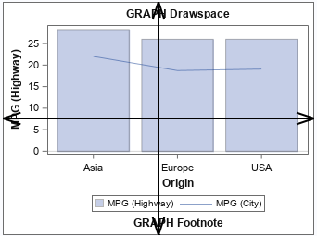
Layout area | the area of the layout, not including any titles and footnotes. The layout area contains the axes, legends, and one or more cells. | 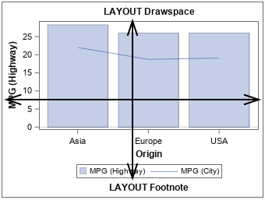
Wall area | the area within the axes, including the axis offsets. (This area is not available when using the SGPANEL and SGSCATTER procedures.) | 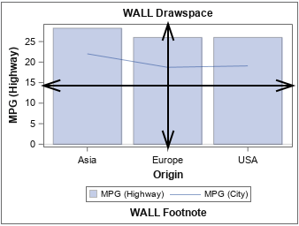
Data area | the area within the axes, not including the axis offsets. (This area is not available when using the SGPANEL and SGSCATTER procedures.) | 